Sheet1
BUG ID | Feature | Priority | Error | Description | Image | Status
BUG-1 | Loading Database Configuration | High | java.lang.ArrayIndexOutOfBoundsException | Database configuration is loading from command line argument because the if condition to check command line argument was commented. |  | Fixed
BUG-2 | Loading Main Menu | High | Cannot invoke "com.amazon.buspassmanagementDebug.Menu.showMainMenu() | Menu object is null due to which we are unable to load the menu.showMainMenu() method |  | Fixed
BUG-3 | Loading Admin Menu | High | [Menu] [Exception] Invalid Choice... | No statement in the menu factory class if else, so when 1 is chosen, menu factory returns "null" due to which try block fails and catch is executed |  | Fixed
BUG-4 | Loading User Menu | High | [Menu] [Exception] Invalid Choice... | No statement in the menu factory class if else, so when 2 is chosen, menu factory returns null due to which try block fails and catch is executed | 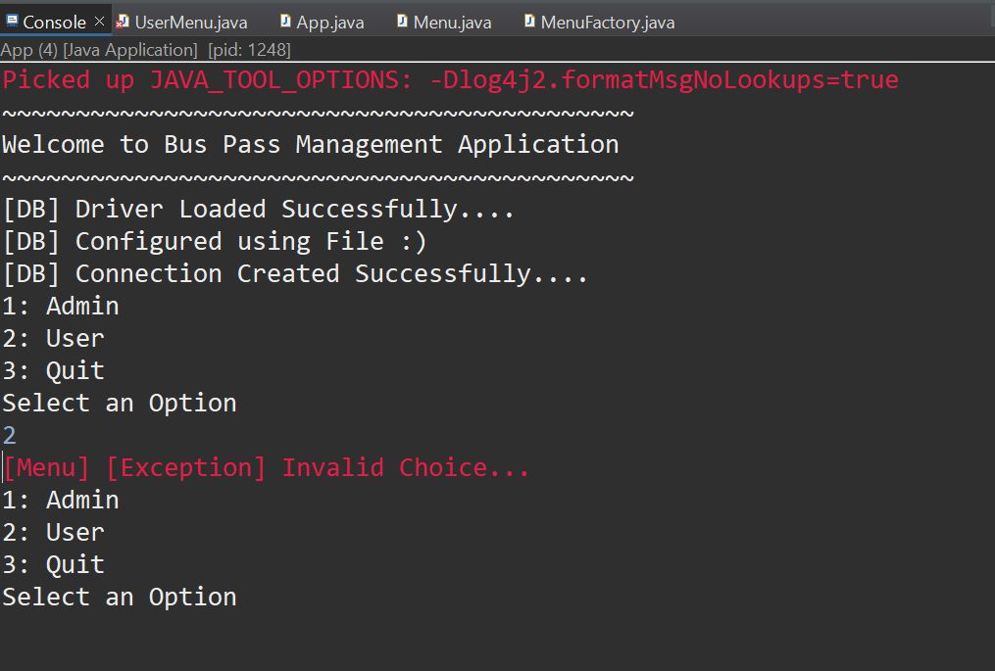 | Fixed
BUG-5 | Singleton design Pattern for UserMenu | High | menu cannot be resolved to a variable | The object for UserMenu was not created due to which the getInstance method was returning null | 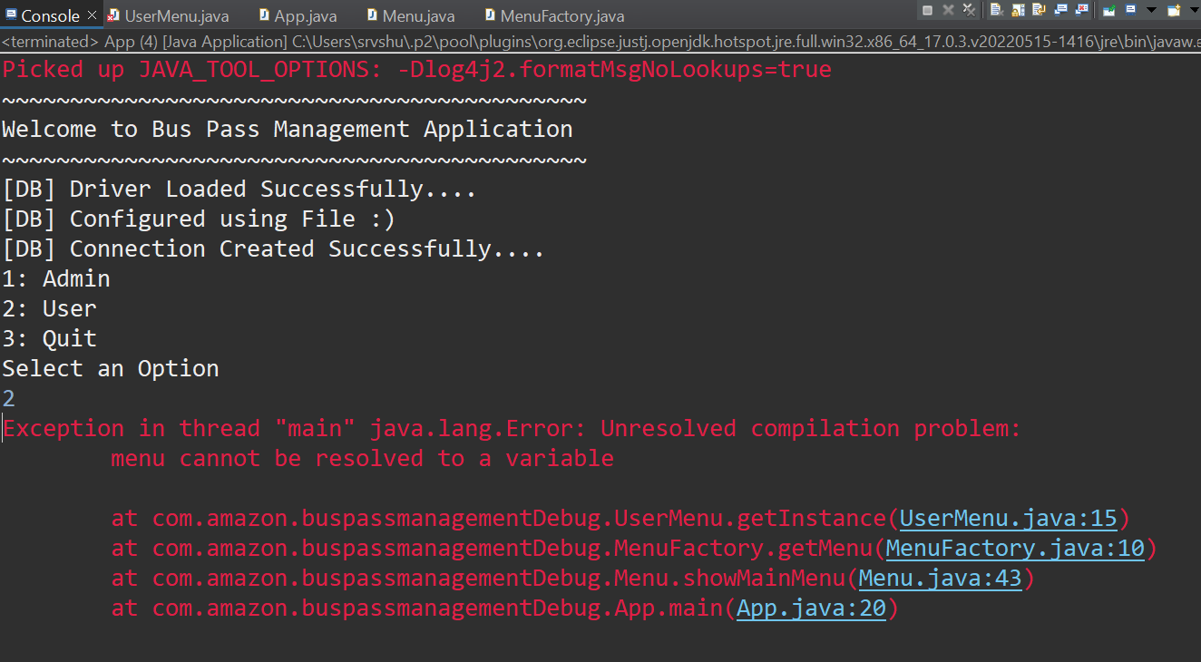 | Fixed
BUG-6 | User Login | High | User Log in Detail not stored | The user detail is not stored in the user object due to which type is null in line 99 of userMenu class and else "Authentication Failed" is executing | 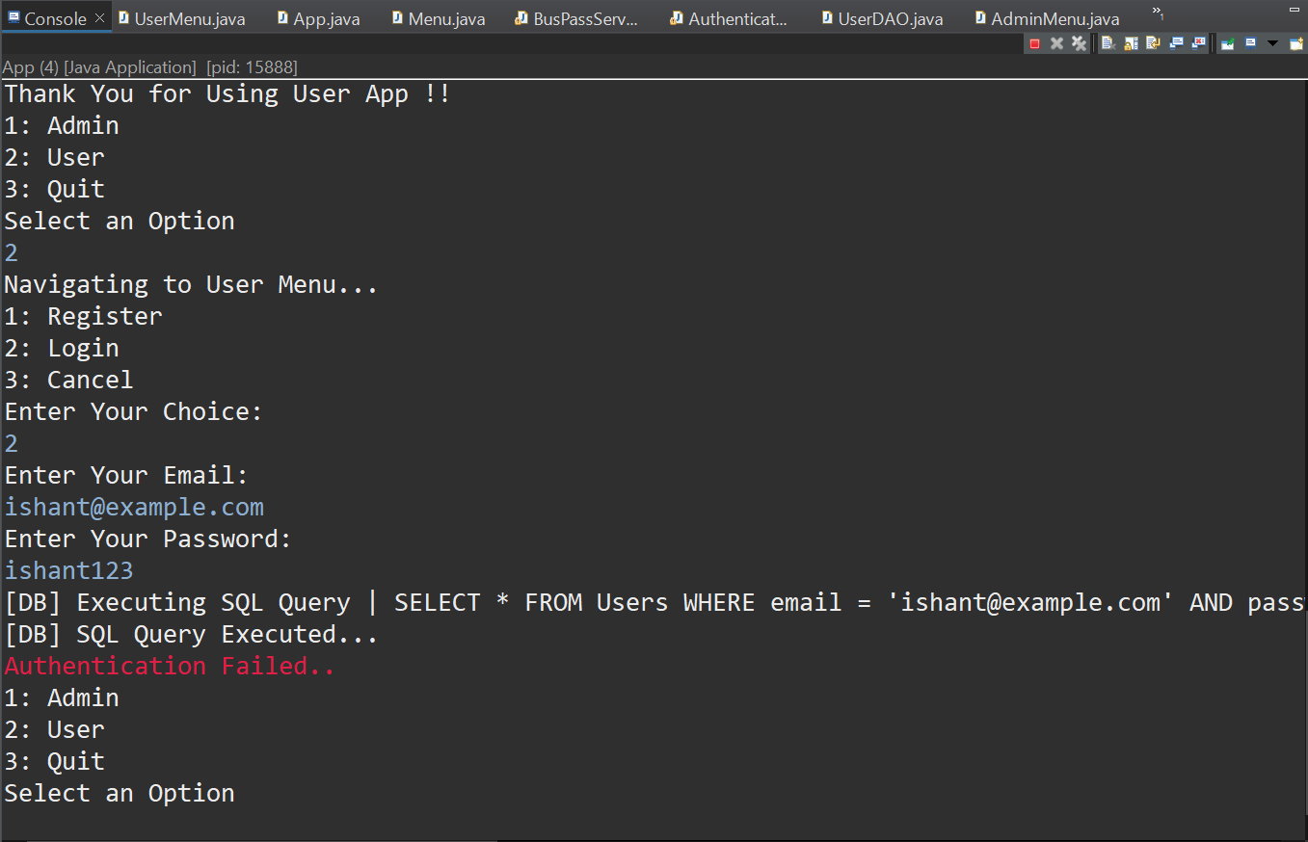 | Fixed
BUG-7 | Creating Bus Pass | High | com.microsoft.sqlserver.jdbc.SQLServerException | The code did not contain uid and status due to which the insert query was failing | 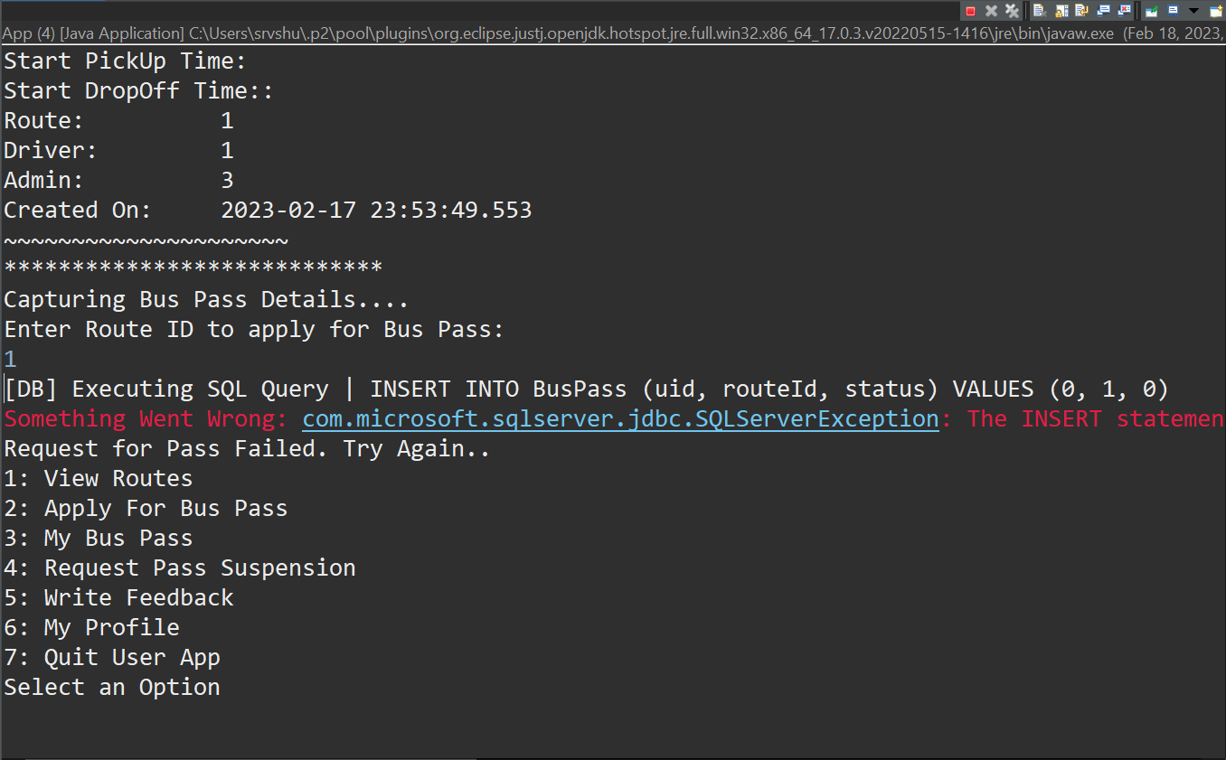 | Fixed
BUG-8 | Buss Pass Approval | Low | Bus Pass validity is same as approval | The logic for the bus pass validity is incorrect, due to which the validity isn't getting updated | 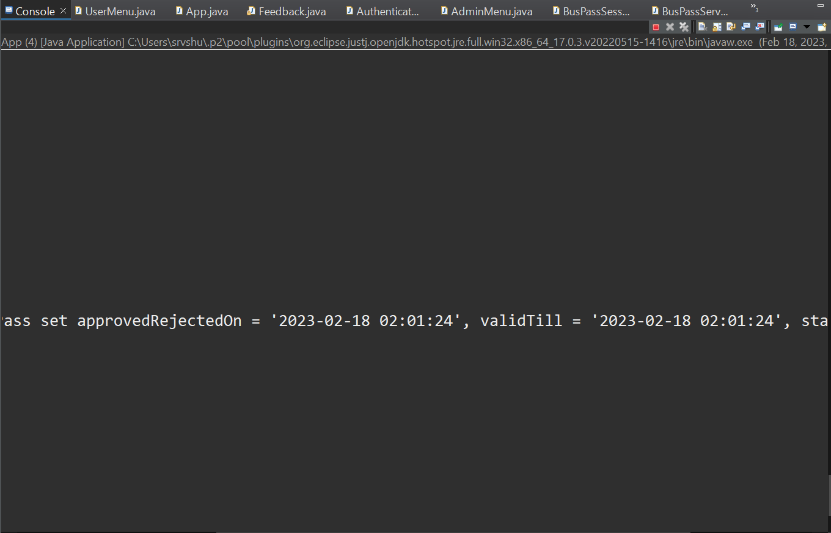 | Fixed
BUG-9 | Bus Pass Deletion | High | Unable to enter bus pass id to delete | Using scanner.nextInt() after Integer.parseInt(scanner.nextLine()) | 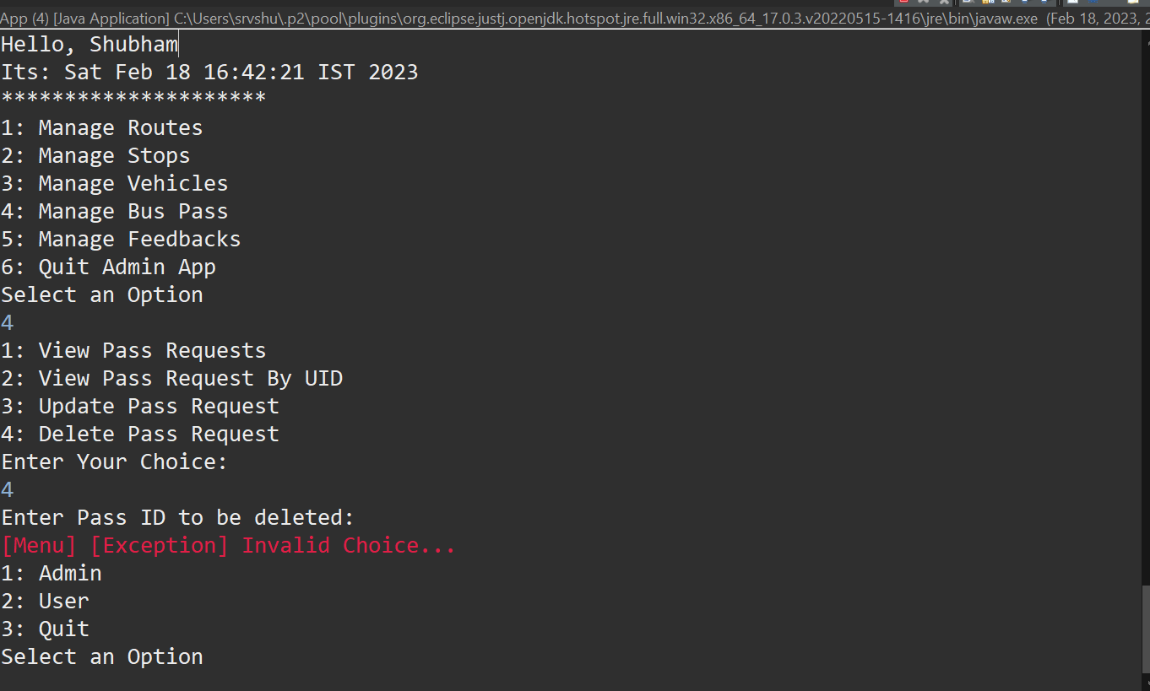 | Fixed
BUG-10 | Logging Out | Low | Authentication Failed | The compiler is trying to check user credentials even if cancel option is selected. | 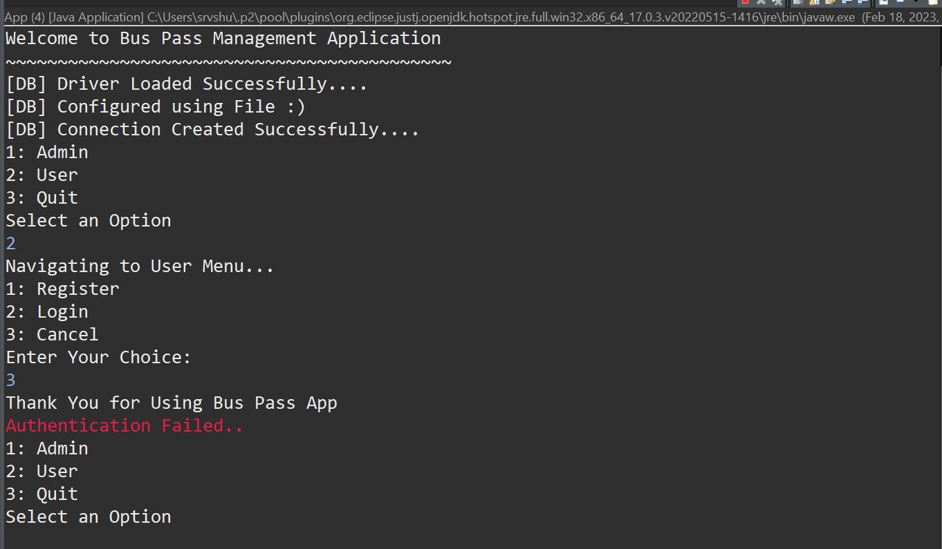 | Fixed

